Cover
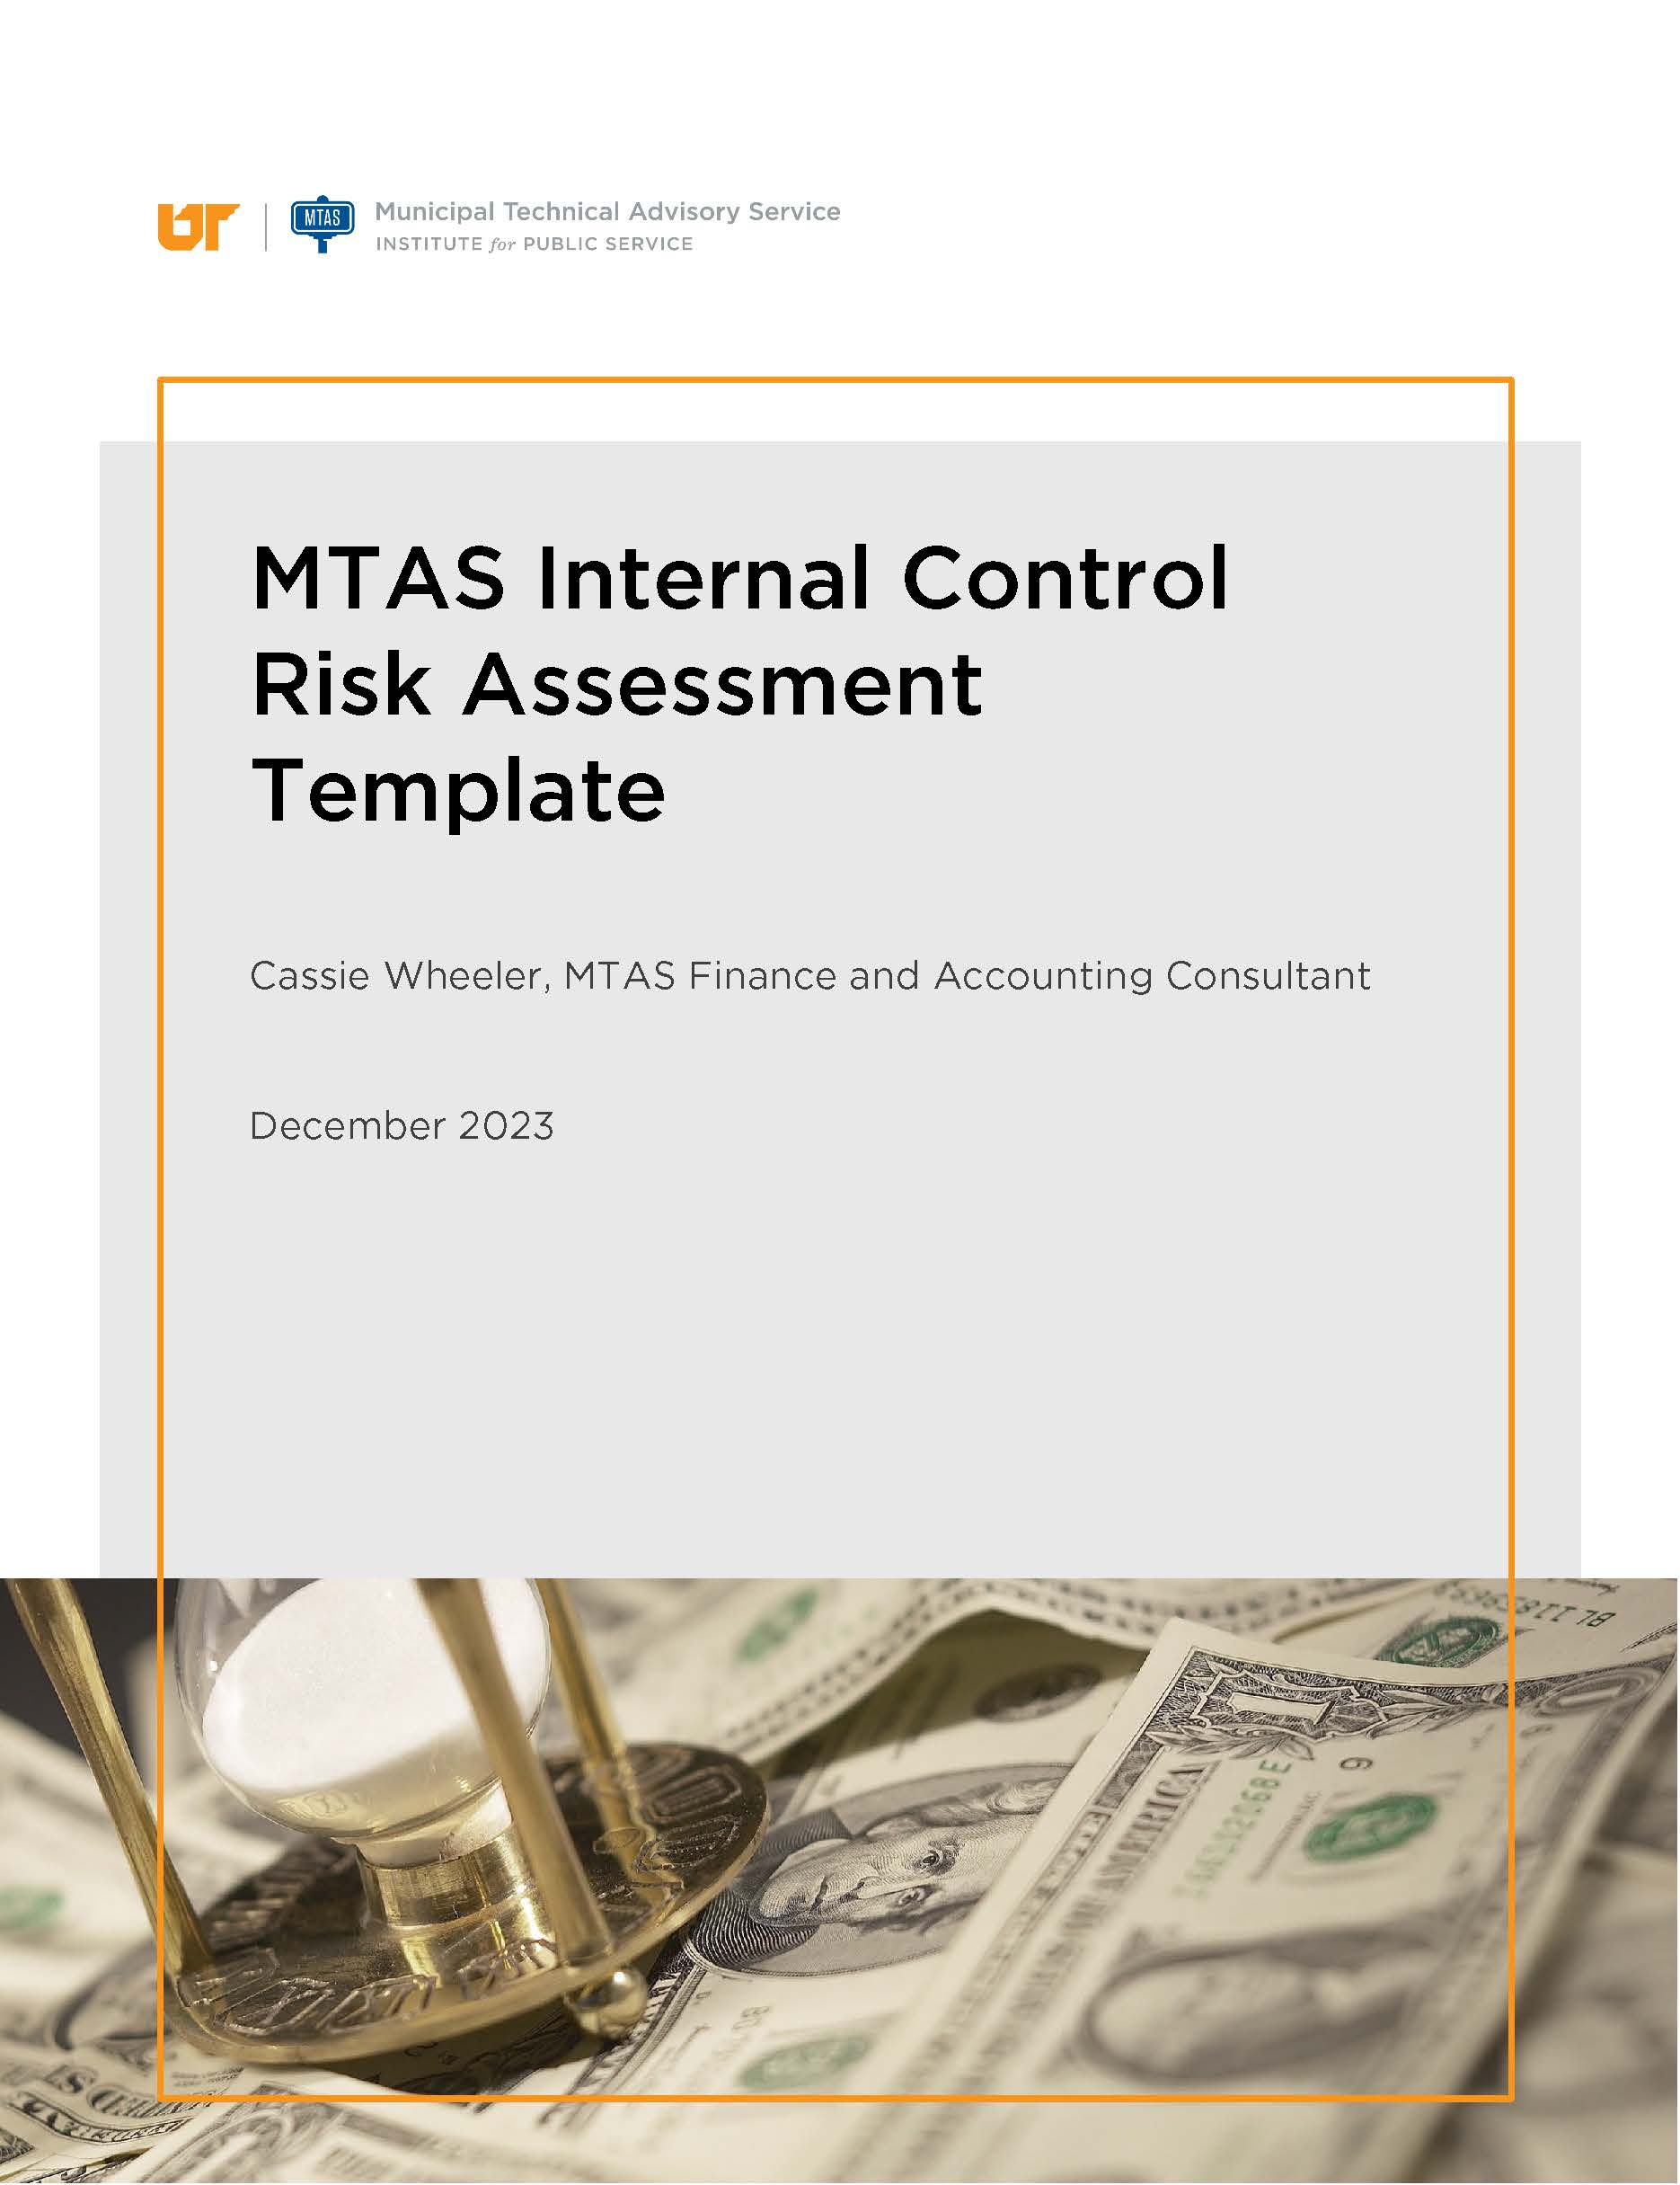

Risk Assessment Instructions
Risk Assessment Instructions

Purpose of Risk Assessment

• Internal control is a process that is developed by the municipality to provide reasonable assurance that objectives will be achieved.
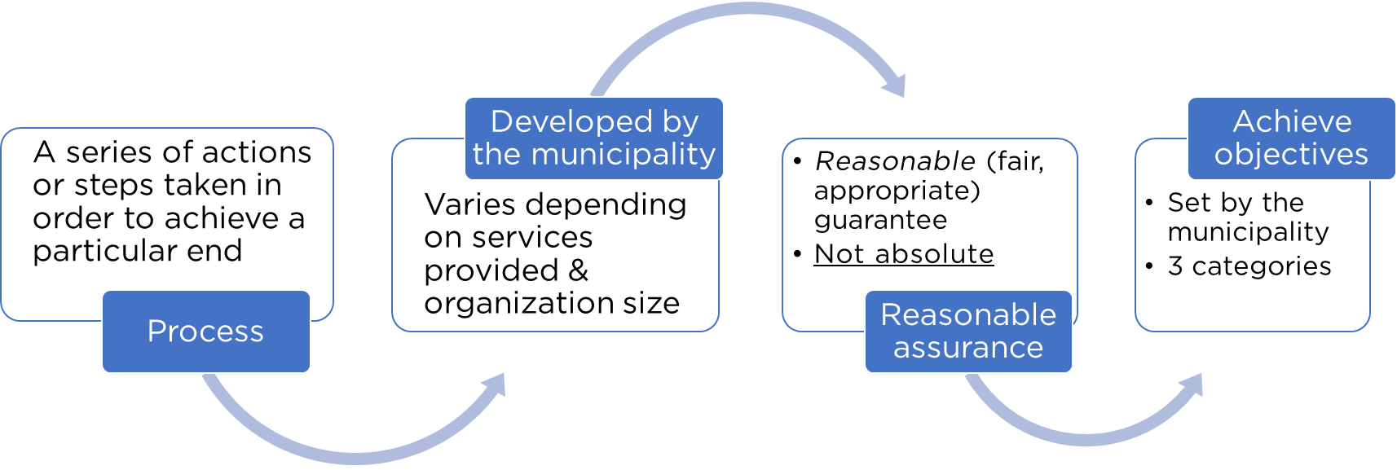

• The risk assessment process is an important component of the municipality's internal control system.
• Generally speaking, risk assessment means asking questions about what could go wrong.

How to Conduct a Risk Assessment

Use the "Risk Assessment" tab to complete the following steps:

1) Define the department's goals and objectives.
• The objectives should help the department achieve its mission, goals, and requirements of applicable laws/regulations.
• The objectives should be clearly defined in specific and measurable terms.
• Objectives normally fit into one of three categories: operational objectives, reporting objectives, or compliance objectives.
• As goals and objectives are defined, also think about how much risk the municipality is willing to accept.

2) Identify possible risks that may prevent the department from achieving the objectives listed in step 1.
• For each objective listed, there are likely multiple risks.
• Assess the likelihood and impact for each risk by assigning a score of high, medium, or low.
• Think about what would happen if the risk occurred. What is the result or consequence?
• For each risk, determine an appropriate response.
• There are multiple ways to respond to risks, but the response should be consistent with the municipality's overall risk tolerance or how much risk the entity is willing to accept.
• Some examples of risk responses are: - Reducing the risk, typically by implementing mitigating controls - Avoiding the risk altogether - Sharing the risk with others, normally an insurance company - Accepting the risk
• Identify if the mitigating control or other risk response is in place.

3) Consider how fraud, waste, or abuse could occur.
• There are many different types of fraud which can occur in a municipality, including financial statement fraud, theft or other misappropriation of assets, and corruption.
• Fraud can occur in any area. However, some areas have a higher risk of fraud occurring. For example, cash handling points and areas where equipment and inventory can be easily converted to personal use
• Think about the opportunities that people may have to commit fraud within the department.
• Fraud is more likely to occur when pressure, opportunity, and rationalization are present. - Pressure: Personal circumstances or needs that motivate someone to commit fraud. - Opportunity: Gaps in internal controls, or management's ability to override controls, that give someone the chance to commit fraud. - Rationalization: The justification someone uses to commit fraud.
• Assess the likelihood for each fraud risk by assigning a score of high, medium, or low.
• For each fraud risk, determine an appropriate response.
• Identify if the mitigating control or other risk response is in place.

Use the "Risk Updates" tab to complete the following step:

4) Determine what significant changes have happened that could impact internal controls.
• Identify changes within the department.
• Analyze changes identified and determine if there are new risks and/or if existing risks have changed.
• Are the existing internal controls sufficient to address the changes in risk identified? Should those controls be updated to account for new and changing risks?
• Make sure the risk assessment tab reflects these updates.

Definitions
Internal Control | A process that is developed by the municipality to provide reasonable assurance that objectives will be achieved.
Risk | Anything that may jeopardize achievement of an objective.
Objective | Something toward which effort is directed; an aim, goal, or end of action. Management establishes objectives for the municipality. Objectives are normally related to one of the following categories: reporting, operations, compliance.
Reporting Objectives | Objectives related to the reliability of financial or other reporting.
Operational Objectives | Objectives related to the effectiveness and efficiency of operations.
Compliance Objectives | Objectives related to the compliance with applicable laws, regulations, contracts, and grant agreements.
Impact | Severity of the consequences if a given event occurs.
Likelihood | The possibility that a given event will occur.
Mitigating Control | A process put in place to reduce risks.
Fraud | Wrongful or criminal deception intended to result in financial or personal gain.

Sources
Tennessee Comptroller of the Treasury Internal Control and Compliance Manual
https://comptroller.tn.gov/office-functions/la/resources/manuals.html

GAO Standards for Internal Control in the Federal Government
https://www.gao.gov/assets/gao-14-704g.pdf

